Bug reports
No. | Summary | Description | Steps to reproduce | Severity | Priority | Attachment (attachment's link) | TC / Check list ID
1 | The names of filter / sort groups in the "Filters" menu on the site differ from those stated in the requirements | The names of filter / sort groups: "Compare prices with", "Stores" in the "Filters" menu are named "Compare prices of retail chains with", "Retail chains" Expected Result: filters / sorts "Sort products", "Compare prices with", "Stores" are displayed in the "Filters" menu Actual result: filters / sorts "Sort products", "Compare prices of retailers with", "Retailers" are displayed in the "Filters" menu Requirement: Story 1.4 | 1. Open https://infoprice.by/ 2. Open the "Filters" menu | Minor | Normal |  | T3
2 | Added an additional sorting method "By Popularity" in "Sort Products" in the "Filters" menu, not specified in the requirements | Sorting products in the "Filters" menu contains 3 sorting methods: "By popularity", "Alphabetically from A to Z", "Alphabetically from Z to A" and differs from the requirements where only 2 methods are mentioned: "Alphabetically from A to Z "," Alphabetically from Z to A " Expected Result: products in the "Filters" menu can be sorted in 2 ways: "Alphabetically from A to Z", "Alphabetically from Z to A" Actual result: products in the "Filters" menu can be sorted in 3 ways: "By popularity", "Alphabetically from A to Z", "Alphabetically from Z to A" Requirement: Story 2.2 | 1. Open https://infoprice.by/ 2. Open the "Filters" menu 3. View the sorting group "Sort goods" | Major | High | 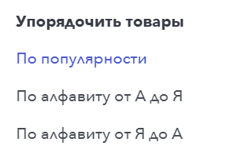 | T4
3 | The list of basic stores in the "Filters" menu does not match the list stated in the requirements | The list of stores under the heading "Compare prices with" the "Filters" menu does not contain the names of such retail chains of 10 retail chains as: E-delivery, Island of purity, Green, 21vek.by, Green delivery Expected Result: the list of stores under the heading "Compare prices with" contains 10 retail chains: Neighbors, Vitalur, Green, Hippo, Bigzz, Hit !, Crown, Euroopt, Belmarket, ProStore Actual result: the list of stores under the heading "Compare prices with" contains 10 retail chains: Neighbors, Vitalur, Green delivery, Hippo, 21vek.by, Green, Crown, Euroopt, E-delivery, Island of purity Requirement: Story 3.2 | 1. Open https://infoprice.by/ 2. Open the "Filters" menu 3. Open the drop-down list of stores in the filter "Compare prices of retail chains with" | Critical | ASAP | 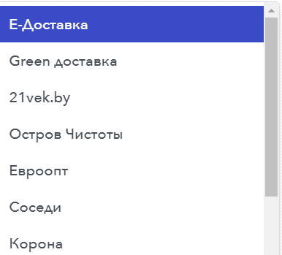 | T5
4 | The list of the heading "Retail chains" of the "Filters" menu does not contain such methods of sorting stores: "AZ", "ZA" | The list of the heading "Retail chains" of the "Filters" menu contains only 2 sorting methods: "Alphabetically", "By popularity", there is no sorting "AZ", "ZA" Expected Result: the list in the "Sort Stores" subheading of the "Stores" heading, the "Filters" menu contains 3 ways of sorting stores: "AZ", "ZA", "By popularity" Actual result: the list of the heading "Retail chains" of the "Filters" menu contains 2 ways of sorting stores: "Alphabetically", "By popularity" Requirement: Story 4.3 | 1. Open https://infoprice.by/ 2. Open the "Filters" menu 3. View the store sorting group | Medium | Low |  | T7
5 | The list of stores for comparison in the "Filters" menu does not correspond to the list stated in the requirements | The filter "Retail chains" in the "Filters" menu does not contain the names of such retail chains as: E-delivery, Island of purity, Green, 21vek.by, Green delivery Expected Result: The filter "Show stores" of the "Stores" heading of the "Filters" menu contains 10 retail chains: Neighbors, Vitalur, Green, Hippo, Bigzz, Hit !, Crown, Euroopt, Belmarket, ProStore Actual result: The heading "Retail chains" of the "Filters" menu contains 10 retail chains: Neighbors, Vitalur, Green delivery, Hippo, 21vek.by, Green, Crown, Euroopt, E-delivery, Island of purity Requirement: Story 5.3 | 1. Open https://infoprice.by/ 2. Open the "Filters" menu 3. View the list of stores for comparison under the heading "Retail chains" | Critical | ASAP | 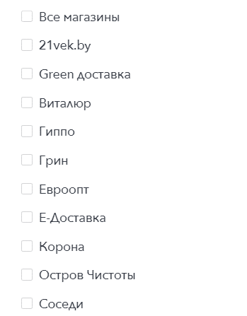 | T8
6 | The "Filters" menu is closed by pressing outside the menu | If the user clicks outside of the Filters menu, the menu is closed Expected Result: the "Filters" menu is not closed by pressing outside the menu Actual result: the "Filters" menu is closed by pressing outside the menu Requirement: Story 1.7 | 1. Open https://infoprice.by/ 2. Open the "Filters" menu 3. Click outside the menu | Medium | Low |  | T9
Выбранный магазин "Евроопт" не отображается
 | The base store is not displayed on the main page and on the search results page immediately after you select it from the "Compare retailer prices with" drop-down list in the "Filters" menu | If a user selects a base store from the "Compare retailer prices with" drop-down list in the "Filters" menu, the selected store is not displayed on the main page and on the search results page without additional selection in the "Retailers" list Expected Result: the basic store is displayed on the main page and on the search results page immediately after the user selects from the list "Compare prices of retailers with" Actual result: the basic store is displayed on the main page and on the search results page only if it is additionally selected in the "Retail chains" list Requirement: Story 3.11 | 1. Open https://infoprice.by/ 2. Open the "Filters" menu 3. Select a basic store from the drop-down list "Compare prices of retail chains with" 4. Close the "Filters" menu 5. Check the display of the basic store on the main page and on the search results page | Critical | ASAP | 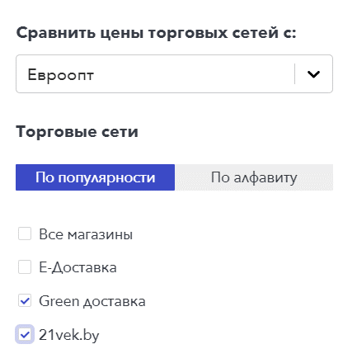 | T10
7 | The base store can be excluded from comparison with other stores in the "Arrange Products" filter in the "Filters" menu | The user can exclude the base store from comparison by disabling the check-box in the "Arrange products" filter in the "Filters" menu Expected Result: the base store cannot be excluded from the comparison Actual result: the basic store can be excluded from the comparison by disabling the check-box in the "Arrange products" filter in the "Filters" menu "Retail chains" Requirement: Story 5.10 | 1. Open https://infoprice.by/ 2. Open the "Filters" menu 3. Select the base store in the "Compare prices of retail chains" 4. Disable the check-box in the "Sort goods" filter in the "Filters" menu | Critical | ASAP |  | T11
8 | By default, the wrong sorting method is selected in the "Filters" menu | By default, in the "Filters" menu, the "By popularity" sorting method is selected, and the requirements indicate "Alphabetically from A to Z" Expected Result: By default, in the "Filters" menu, the sorting method is selected "Alphabetically from A to Z" Actual result: By default, the "By popularity" method of sorting products is selected in the "Filters" menu. Requirement: Story 2.7 | 1. Open https://infoprice.by/ 2. Open the "Filters" menu 3. View methods of sorting goods | Minor | Low | 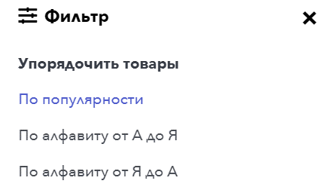 | T12
9 | In the drop-down list under the heading "Compare prices with" on the "Filters" menu, the default "E-delivery" store is already selected when you open the "Filters" menu | By default, in the heading "Compare prices with" of the "Filters" menu, the store "E-delivery" is selected instead of "Select" Expected Result: by default in the filter "Compare prices with" selected "Select" Actual result: By default, the "E-delivery" store is selected in the "Compare prices with" filter Requirement: Story 3.8 | 1. Open https://infoprice.by/ 2. Open the "Filters" menu 3. View the filter "Compare prices of retail chains with" | Minor | low |  | T13
10 | Base store after selection from the list with the heading "Compare prices with" the "Filters" menu is not automatically selected in the "Show stores" filter | If a user has selected a basic store from the list with the heading "Compare Prices With" in the "Filters" menu, then the selected store is not automatically selected in the "Show Stores" filter Expected Result: checkbox with basic magazine should be selected automatically Actual result: the checkbox with the basic magazine is not selected automatically, it must be selected manually Requirement: Story 3.10 | 1. Open https://infoprice.by/ 2. Open the "Filters" menu 3. Select a basic store in the header "Compare prices of retail chains with" 4. Check the automatic selection of basic stores in the filter "Retail chains" | Medium | Normal | 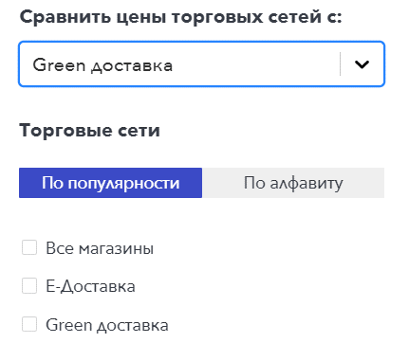 | T14
11 | By default, the wrong way of sorting stores is selected in the heading "Retail chains" of the "Filters" menu | In the heading "Retail chains" of the "Filters" menu, the default sorting method is "By popularity" instead of "AZ" Expected Result: By default, in the "Sort Stores" header of the "Filters" menu, the store sorting method "AZ" Actual result: By default, the "By popularity" sorting method is selected in the heading "Retail chains" Requirement: Story 4.8 | 1. Open https://infoprice.by/ 2. Open the "Filters" menu 3. View the selected method of sorting stores by default | Minor | Low |  | T15

